Deliverables
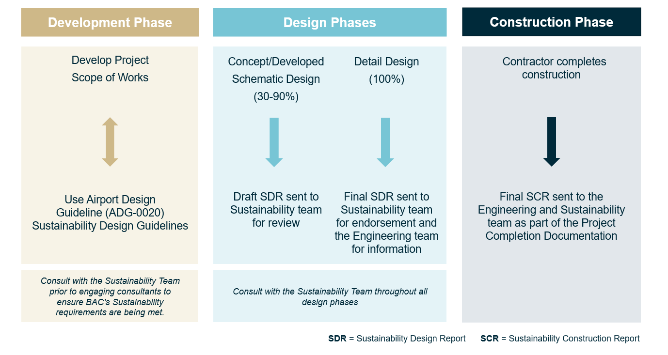
Guidelines for Project Deliverables
Task
Identify MSR's for the project with the Sustainability team (including obtaining and exceptions)
BAC Sustainability team to review the Sustainability Design Report and endorse project initiatives during the design development stages
Submit finalised Sustainability Design Report to the Engineering and Sustainability team at the completion of the design
Submit Sustainability Construction Report to the Engineering and Sustainability teams at the completion of the project.

Design Stage Deliverables
Mini, IT and Facilities projects do not have specific project deliveries during design development.
The specific design deliverables required for all other BAC projects are as defined in the following table.

Project Stage | Specific Documentation Required for this Design Element
Concept Design (30%) | Draft Sustainability Design Report
Schematic Design (50%) | Updated Sustainability Design Report
Developed Design (90%) | Updated Sustainability Design Report
Detailed Design (100%) | Finalised Sustainability Design Report

Construction Stage Deliverables
The construction deliverables listed in this section are additional specific requirements required by BAC

Construction Stage | Specific Documentation Required for this Design Element
Construction Deliverables | During construction the team is to submit their monthly Beakon sustainability report
Commissioning Deliverables | No additional requirements
Project Completion Deliverables | The Contractor shall submit the embodied carbon section of the construction tab

Governance Process

